AMZN
KPIs

1) | WW paid units growth
 | https://ir.aboutamazon.com/quarterly-results

 | Step 1 |  | Step 2
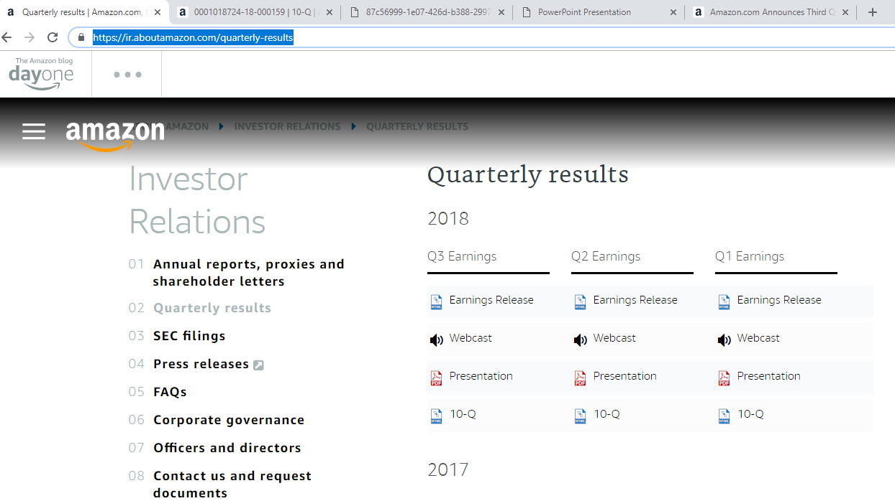
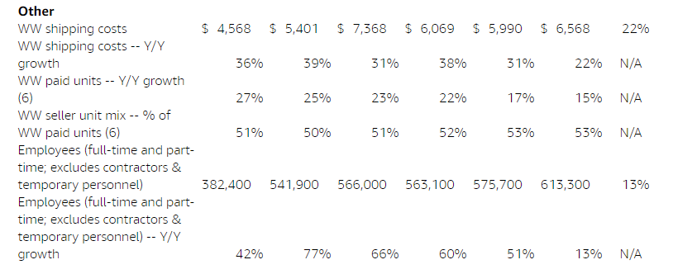

2) | WW seller unit mix
 | Available in the same earnings release

4) | WW shipment costs growth

Segment by region (Revenue & Operating income)
North America
International
AWS

 | Step 1 |  | Step 2

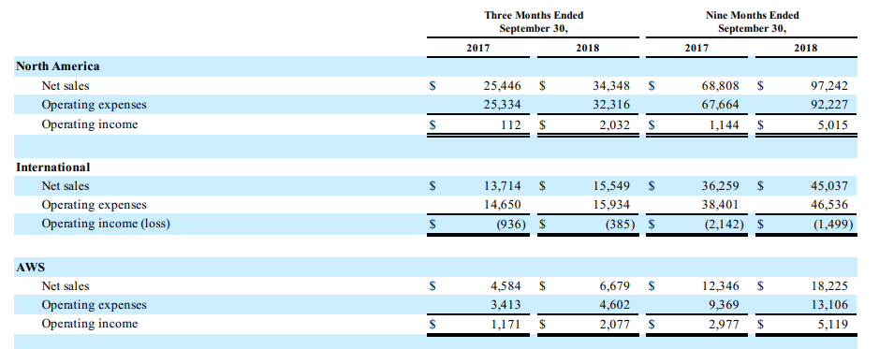

Segment by products and services (Revenue)
Online stores
Physical stores
Third-party seller services
Subscription services
AWS
Other
 |  | `
 | Available in the same 10-Q

EXPE
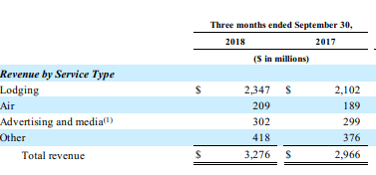
KPIs
 | https://ir.expediagroup.com/financial-information/quarterly-results
1) | Gross bookings

2) | Average daily rate (ADR) growth
 | Room night growth
 | Tickets sold growth (YoY)
 | Revenue per ticket growth

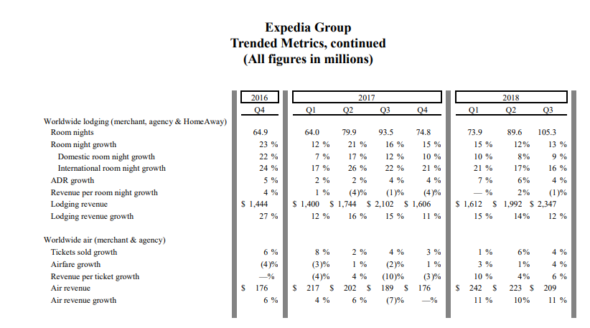

3) | Lodging Portfolio

4) | Segment by Operation (Gross Bookings, Revenue Margin, Revenue, Adjusted EBITDA & Operating income)
 | Core OTA
 | trivago
 | HomeAway
 | Egencia
 | Corporate & Eliminations

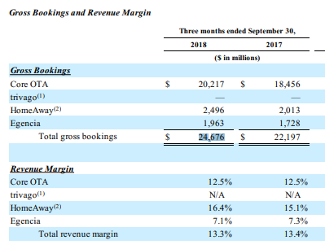

5) | Segment by Business Model (Revenue)
 | Merchant
 | Agency
 | Advertising and media
 | HomeAway

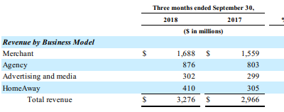

6) | Segment by Service Type (Revenue)
 | Lodging
 | Air
 | Advertising and media
 | Other

MELI
KPIs
1) | Gross merchandise volume
 | Number of confirmed registered users at end of period
 | Number of successful items sold
 | Number of successful items shipped
 | Total payment volume
 | Total volume of payments on marketplace
 | Total payment transactions
 | Unique buyers (total buyers)
 | Unique sellers (total sellers)

 | http://investor.mercadolibre.com/financial-information/quarterly-results

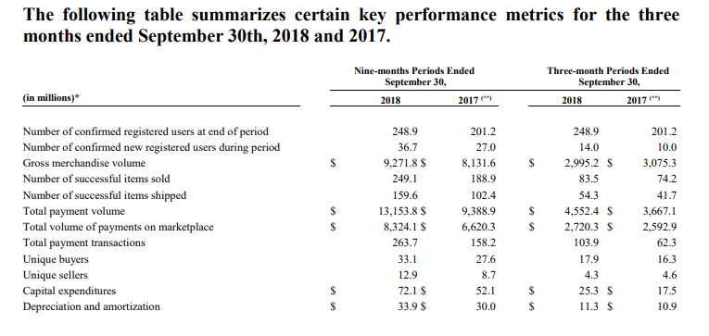

2) | Segment by region (Revenue & Direct contribution/Loss)
 | Brazi
 | Argentina
 | Mexico
 | Other Countries

3) | Segment by products and services (Revenue)
 | Enhanced Marketplace
 | Non-marketplace

 | Step 1
 | http://investor.mercadolibre.com/financial-information/annual-reports
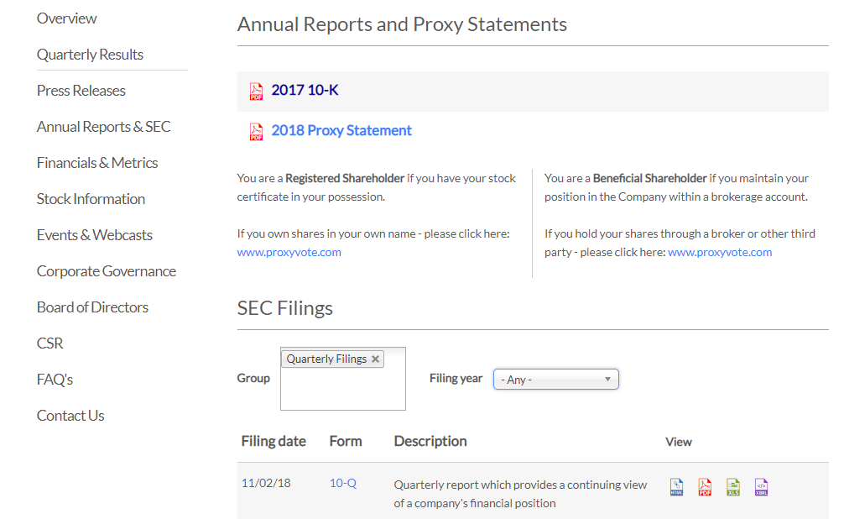

 | Step 2

SFLY
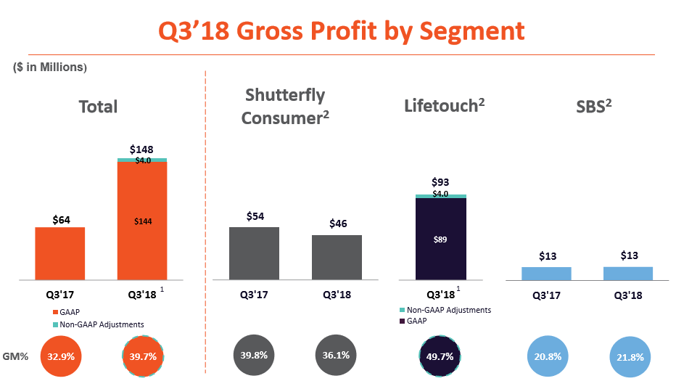
KPIs
1) | Total Customers
 | Total Number of Orders
 | Average order value (AOV)
 | http://ir.shutterfly.com/investor-relations

2) | Segment by Operation (Revenues, Gross Profit, Margin, Margin %)
 | Shutterfly Consumer
 | Lifetouch
 | Shutterfly Business Solutions
 | http://ir.shutterfly.com/investor-relations
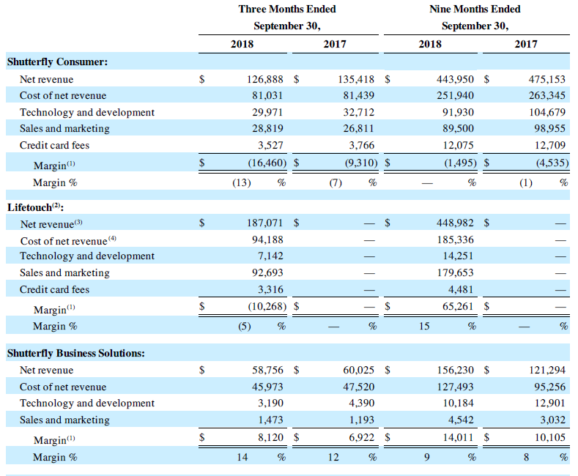

3) | Segment by Operation (Gross Profit, Gross Profit Margin %)
 | Shutterfly Consumer
 | Lifetouch
 | Shutterfly Business Solutions

EBAY
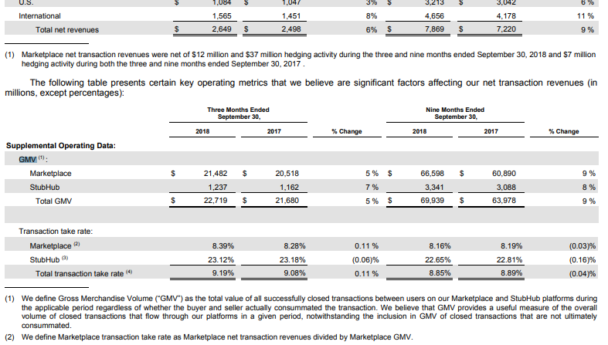
GMV Growth
Sold Items Growth

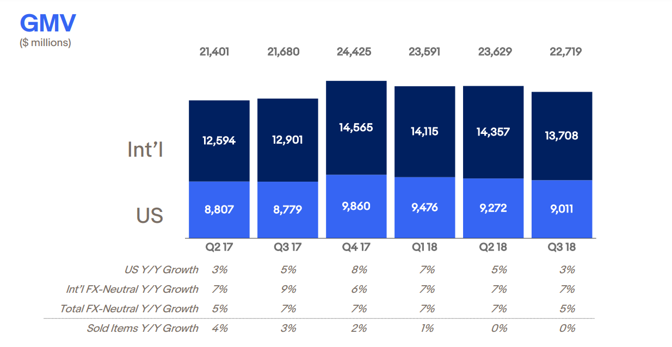

 | Monthly Active Buyers Growth

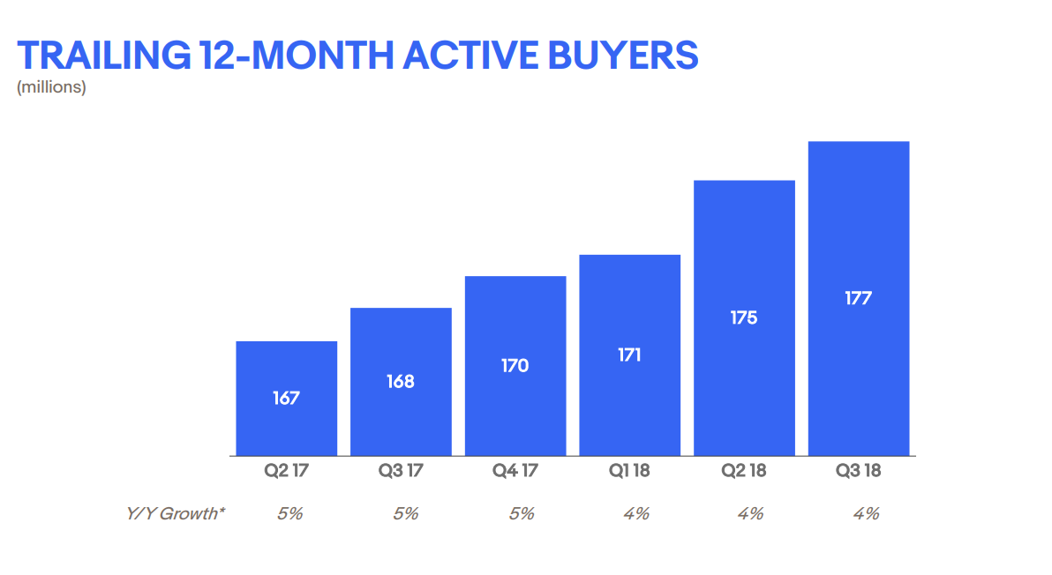

 | Implied Take Rate (Revenue/GMV)

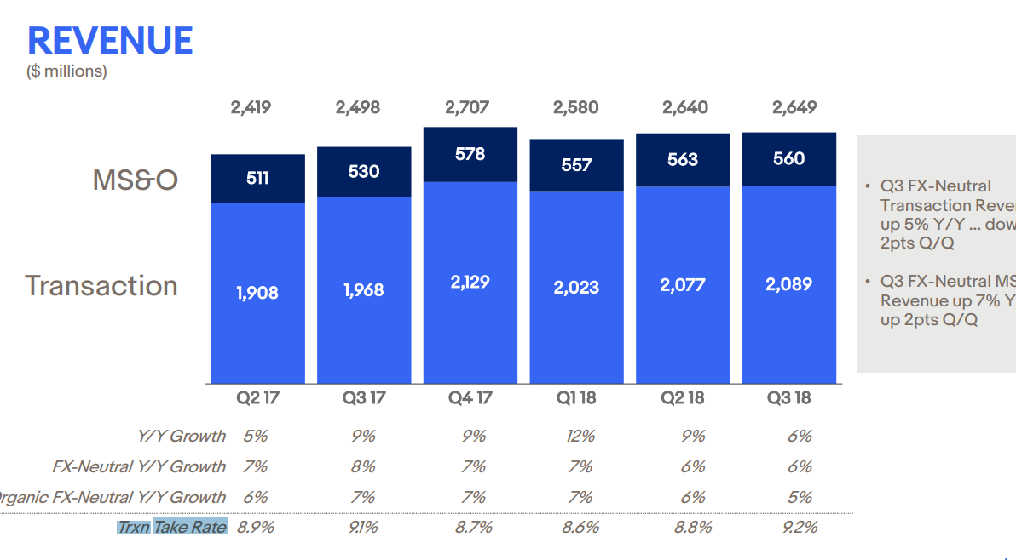

 | Segment by business and geography (Revenue)

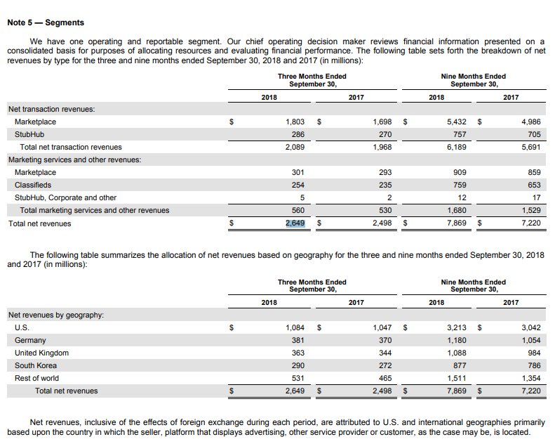

 | KPIs - segments

ETSY
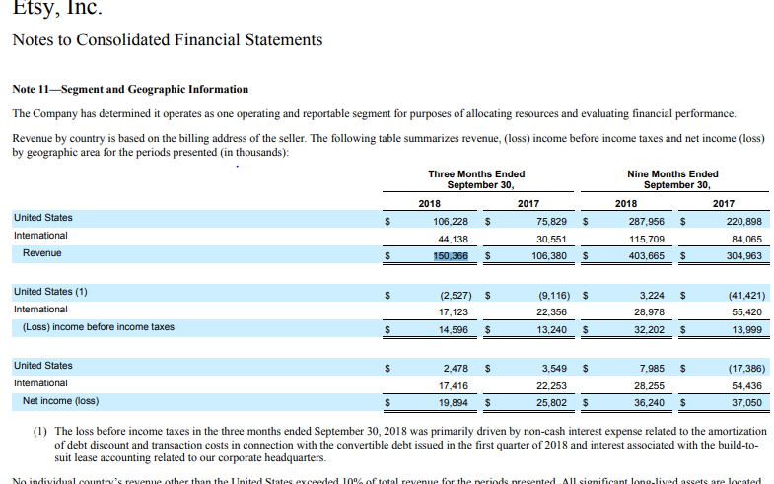
GMS Growth
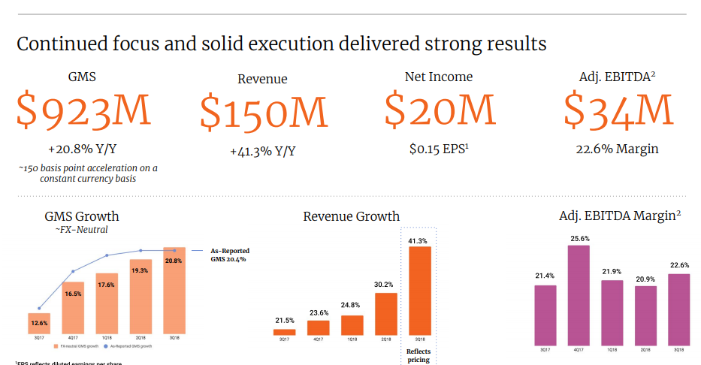

Active Buyers Growth
Active Sellers Growth
GMS per Active Buyers Growth
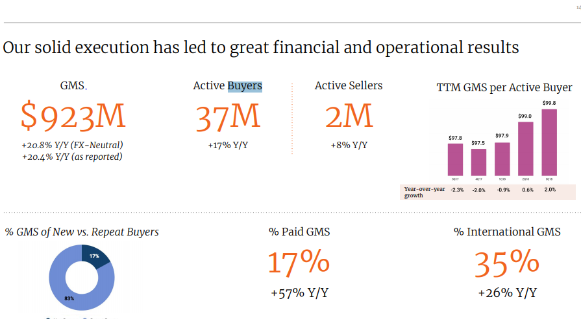
% GMS of New vs. Repeat Buyers

Transaction Fee

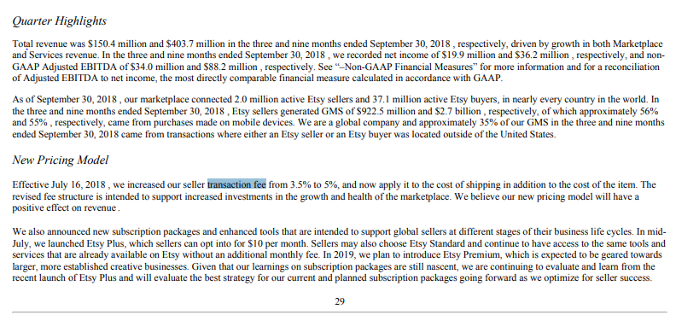

 | Segment by business (Revenue)

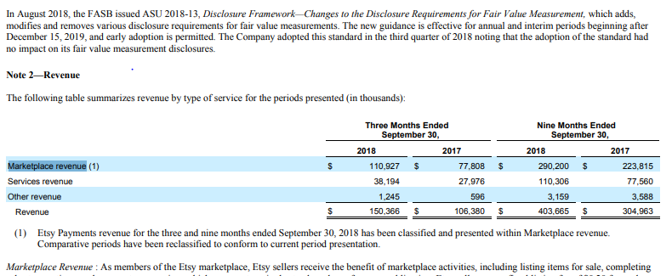

 | Segment by geography (Revenue+PBT)

JD
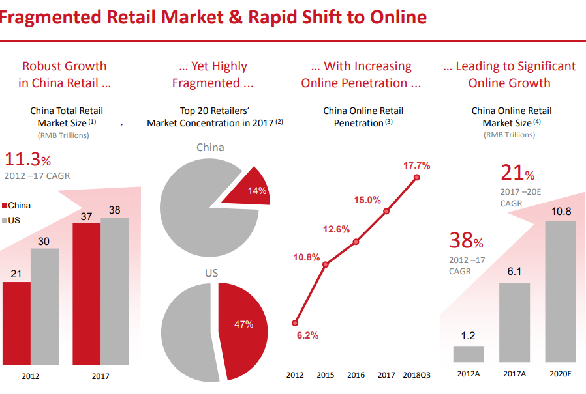
GMV Growth
Active customer accounts Growth
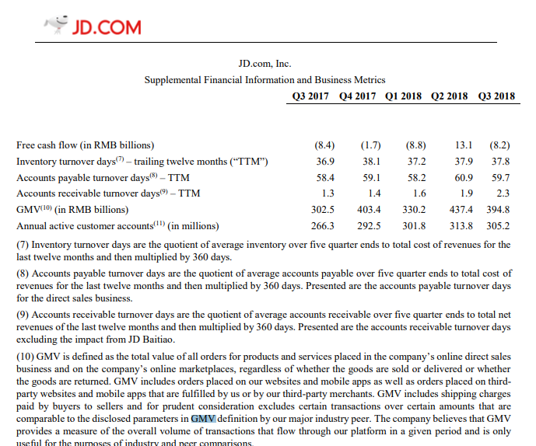

 | Segment by business (Revenue and Operating income)

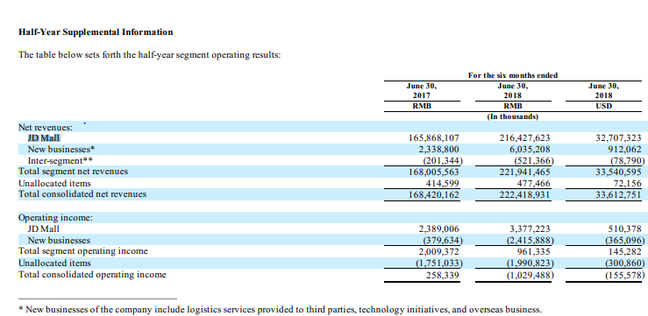

 | Segment by services (Revenue)

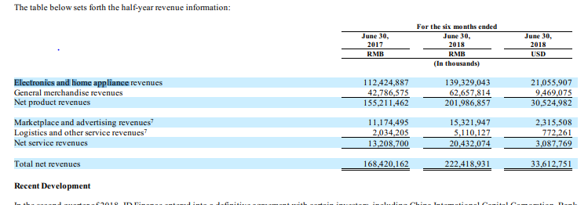

 | Average # of Purchases from Customer Growth

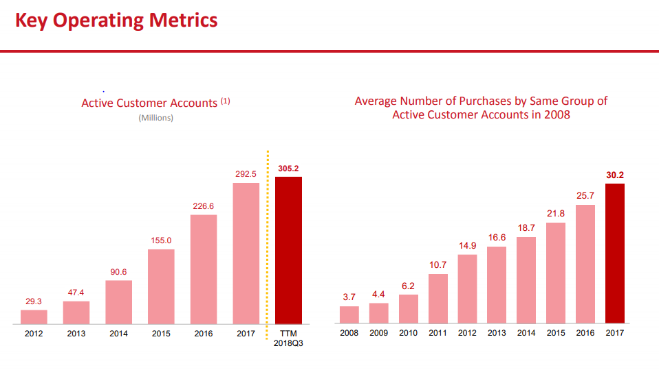

 | China Online Retail Penetration %

BABA

Annual active consumers
Mobile MAUs

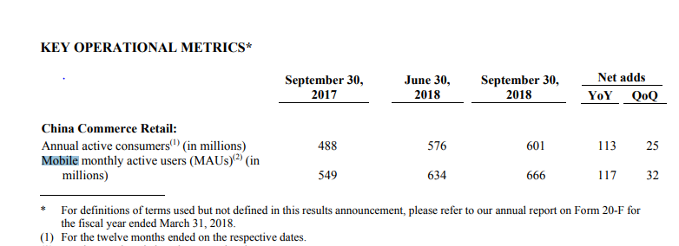

 | Segment by business (Revenue and EBITA)

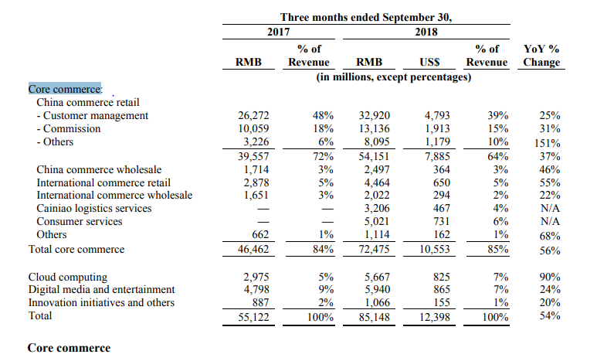

 | Gross merchandise value (GMV) growth

BKNG
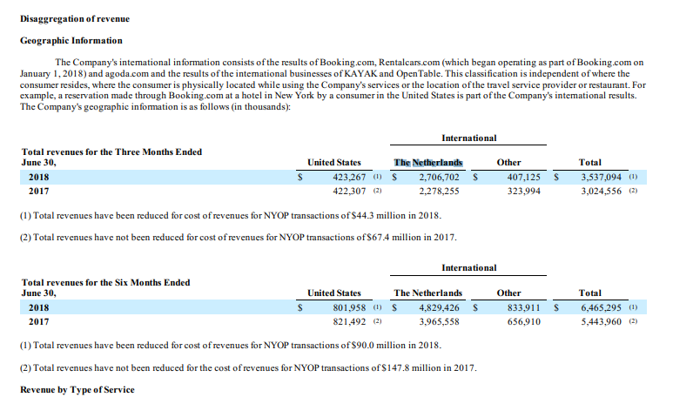
Accommodation room nights
Room Nights Growth
Rental car days Growth
Airline tickets Growth
Gross bookings Growth

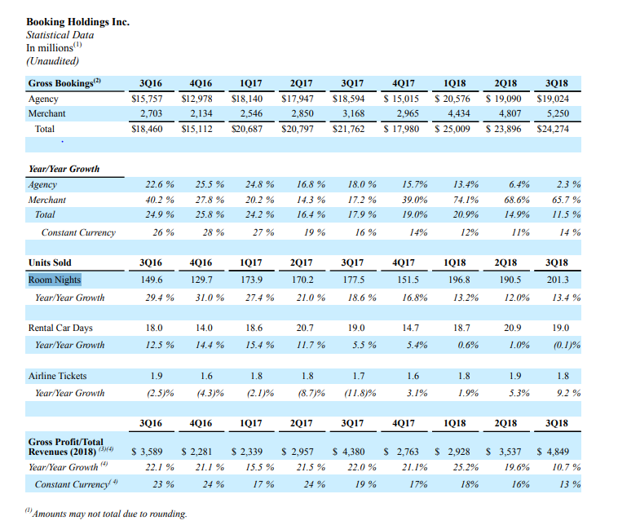

Agency revenue
Merchant revenue
Advertising and others

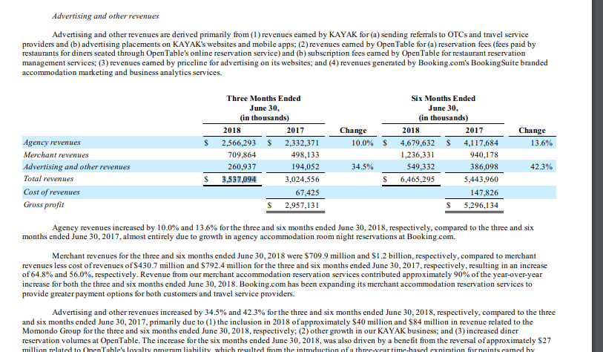

Segment by geography (Revenue)

CTRP
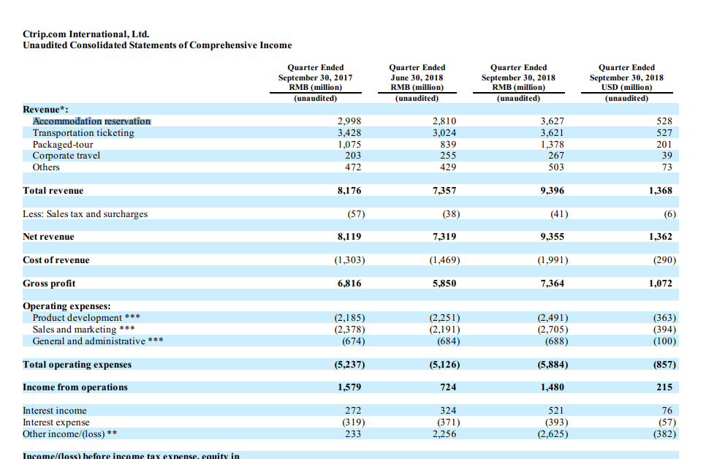
Segment by product (Revenue)
Accommodation reservation
Transportation ticketing
Packaged-tour
Corporate travel
Others

